NOTES
FETP TIMESHEET INFORMATION |  |  |  |  |  | Year | Month | IntMonth | Period
 |  |  |  |  |  | 2018 | January | 1 | 1
A. | REVISION HISTORY |  |  |  |  | 2019 | February | 2 | 2
 |  | 0.0 | Meann, Cels,KenX |  |  | 2020 | March | 3
 |  | 1.0 | Pike | 2000 |  |  | April | 4
 |  | 2.0 | KenX, Weng, HB | 2004 | Main revision is on APL, BreakTime, LA, MH Report (Summary of TS) |  | May | 5
 |  | 2.1 | KenX | May-09 | Added Under Suspension Status |  | June | 6
 |  | 2.2 | Bong | Dec-09 | Time entries - colon and automatic conversion to accepted values |  | July | 7
 |  | 2.3 2.3.1 | Bong, Wilson, KenX Enrico, Bong | Aug-10 | a) Bug fix (FormatTime Function) b) Correction on NOTES' "Working Time Convention" (see below on this sheet) c) Added new JobCodes d) formatting of cell G8 |  | August | 8
 |  | 2.4 | KenX | Aug-13 | Added ROT on Fridays |  | September | 9
 |  | 3 | KenX | May-14 | a) Fixed distribution of RT and ROT when LAP b) New JobCodes Master List c) Clearing JobName when the blank JobCode is selected (as suggested by Ma'am Dred) d) Changed format of Emp No. e) Changed Comments on [Team] and [Name] f) Attached the JPI Logo |  | October | 10
 |  | 4 | KenX | Jan-17 | a) Changed APL to VL (Vacation Leave), SL (Sick Leave), HL (Home Leave, formerly Hospitalization Leave) (see Note 3 below) b) Changed UL to AB (see Note 3 below) c) Changed JPI Logo to Fujitsu Logo d) Addition of JobCodes |  | November | 11
 |  | 5 | Norman | 2019 | 1. Changed layout: removed unnecessary rows, added job rows, implemented data validation for date, added function showing unallocated manhours and warnings 2. Improved jobcode combo box functionality 3. Added "Status" sheet and related code for dynamic status changes 4. Fixed bugs, improved code, removed all commented-out code. 5. Added function to import Raw Log Report from HRIS 6. Edited NOTES contents |  | December | 12

B. | HOW TO USE THE TIMESHEET (Manual Time Entry)

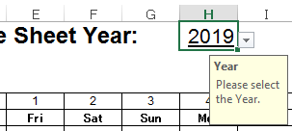
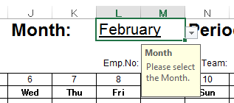
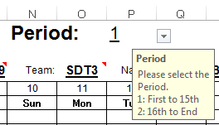

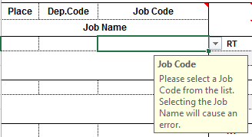

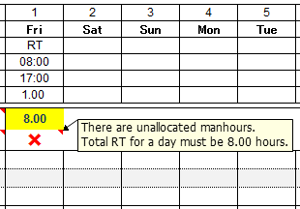
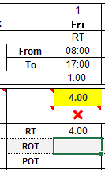
Unallocated manhours are updated when entries are made.
Enter Status, Time-In and Time-Out in 24-hour format (hh:mm)

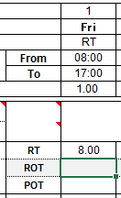

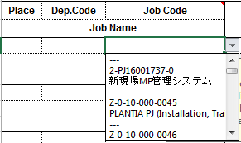

Unallocated manours will be shown in the space below the time. An "X" means that actions must be taken before submitting the timesheet. These are shown as comments.
Warnings are cleared once all manhours have been properly allocated.

Select a
Job Code

Statuses are managed in the [Status] sheet.
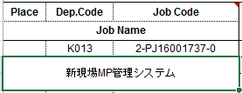
Matching Dep. Code and Job Name is assigned automatically
※Job Name is editable

Job Codes are managed in the [Jobcodes] sheet.
Up to 150 Job Codes can be listed.

C. | HOW TO USE RAW LOG IMPORT
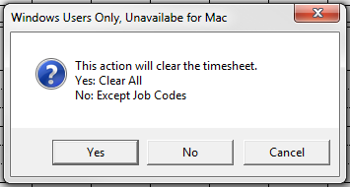
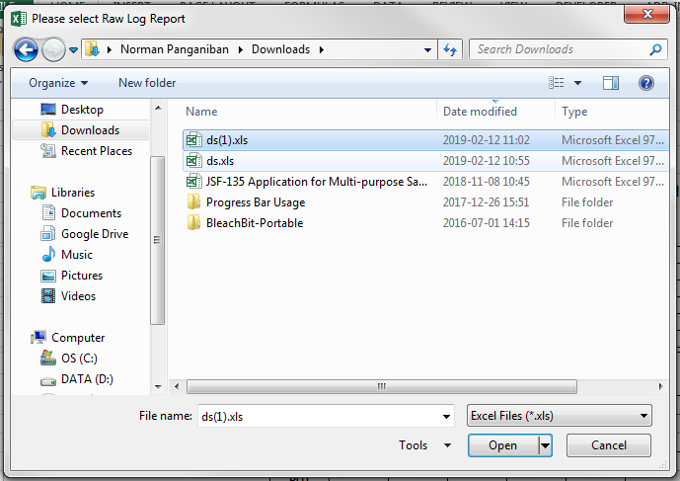
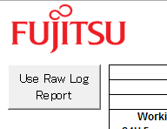

Click to start process.
※Not available to Mac Users for the meantime.

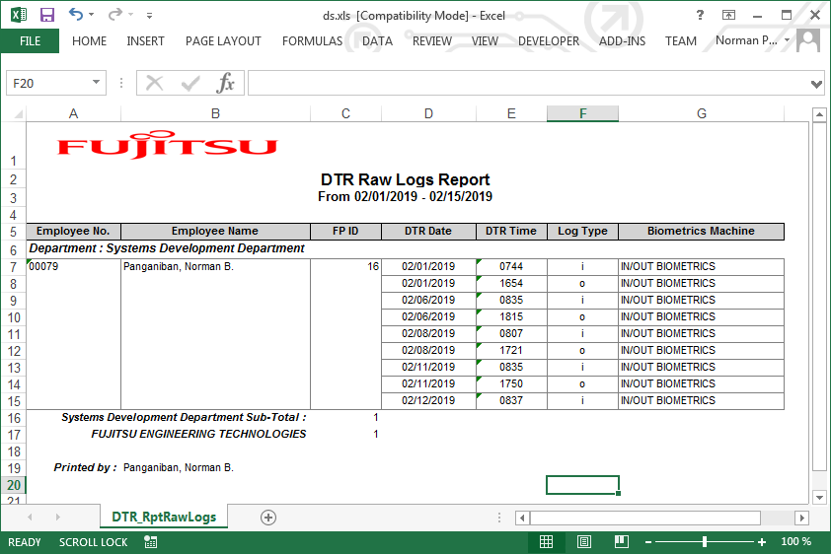

Export Raw Log Report from HRIS

The following is imported:
- Year
- Month
- Period
- Emp. No.
- Emp. Name
- Time-in
- Time-Out
Weekdays are RT, Saturdays are ROT, Sundays are POT by default.

